Sheet1
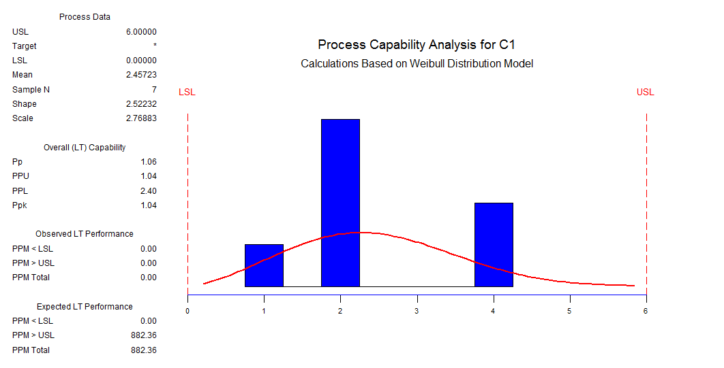
 | Weight kg | Tolerance (g)
5kg Class 1 | 5 | 0.012
20kg Class F | 20 | 0.1

 |  |  |  |  | Class 1 |  |  |  |  |  |  |  |  |  |  |  | Class F
Number of Weights | Total Capacity (Nominal) | Tolerance (kg) | Tolerance (+) | Tolerance (-) | Kg | Voltage | Error (+) grams | Error (-) grams | Error (Nominal-Grams) | Absolute value | Max Error Grams | Number of Weights | Total Capacity (Nominal) | Tolerance (kg) | Tolerance (+) | Tolerance (-) | Kg | Voltage | Error (+) grams | Error (-) grams | Error (Nominal-Grams) | Absolute value
6 | 30 | 2.9393876913E-05 | 30.000029394 | 29.999970606 | 29.998 | 2.526 | 2.0293939 | 1.9706061 | 2.0000000 | 2.0293939 |  | 1 | 20 | 0.0001 | 20.0001 | 19.9999 | 22.68 | 1.913 | -2679.9000000 | -2680.1000000 | -2680.0000000 | 2680.1000000
5 | 25 | 2.683281573E-05 | 25.000026833 | 24.999973167 | 25.002 | 2.108 | -1.9731672 | -2.0268328 | -2.0000000 | 2.0268328 |  | 2 | 40 | 0.00014142135624 | 40.000141421 | 39.999858579 | 45.358 | 3.813 | -5357.8585786 | -5358.1414214 | -5358.0000000 | 5358.1414214
4 | 20 | 0.000024 | 20.000024 | 19.999976 | 20.004 | 1.689 | -3.9760000 | -4.0240000 | -4.0000000 | 4.0240000 |  | 3 | 60 | 0.00017320508076 | 60.000173205 | 59.999826795 | 66.957 | 5.622 | -6956.8267949 | -6957.1732051 | -6957.0000000 | 6957.1732051
3 | 15 | 2.0784609691E-05 | 15.000020785 | 14.999979215 | 15.002 | 1.27 | -1.9792154 | -2.0207846 | -2.0000000 | 2.0207846 |  | 4 | 80 | 0.0002 | 80.0002 | 79.9998 | 82.992 | 6.964 | -2991.8000000 | -2992.2000000 | -2992.0000000 | 2992.2000000
2 | 10 | 1.6970562748E-05 | 10.000016971 | 9.9999830294 | 10.001 | 0.851 | -0.9830294 | -1.0169706 | -1.0000000 | 1.0169706
1 | 5 | 0.000012 | 5.000012 | 4.999988 | 5.004 | 0.432 | -3.9880000 | -4.0120000 | -4.0000000 | 4.0120000
0 | 0 | 0 | 0 | 0 | 0.002 | 0.013 | -2.0000000 | -2.0000000 | -2.0000000 | 2.0000000

PBA655 Scale Calibration

